Sheet1
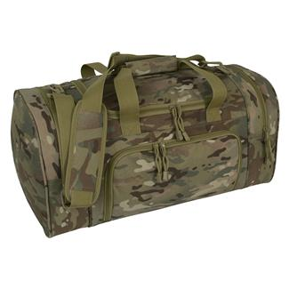
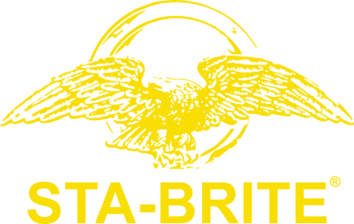

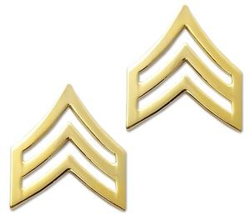
INTRODUCED STA-BRITE INTO AAFES ALL STORE 1992
OVER $5 MILLION IN ARMY SALES 1ST YEAR

INTRODUCED INTO AAFES IN 1989 BEST SELLER FOR OVER 20 YEARS

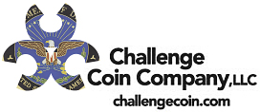

 | BOUGHT CHALLENGE COIN COMPANY IN 2014
 | UP SALES BY 200%

BOUGHT BRIGADE QM IN 2013 AND GAINED MARKET SPACE

I WORKED INDEPENDENTLY FOR MERCURY LUGGAGE
FOR 20 YEARS BRINGING MANY ITEMS TO MARKET

